Vernier Observations
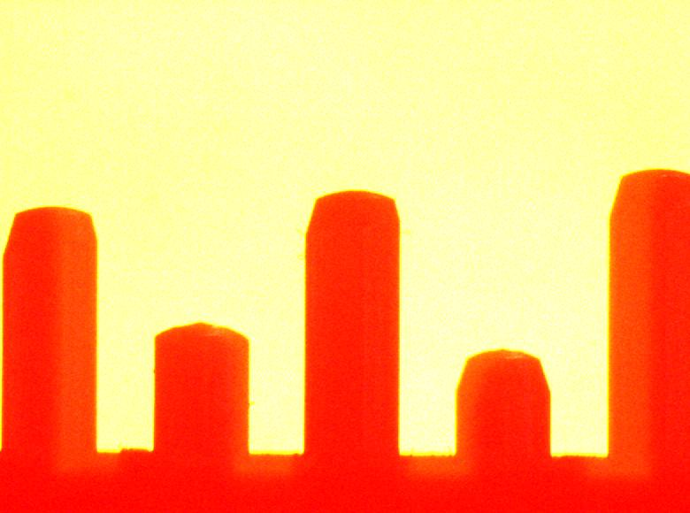
1- Left
2-Center
3-Right
No.of divisions on vernier | 10
Smallest division on main scale(cm) | 0.1

Least Count (cm) | 0.01

Height of Pin 1 (cm) | 0.5 | 1.5 | 0.515 | 0.515
 | 0.5 | 1.5 | 0.515
 | 0.5 | 1 | 0.51
Height of Pin 2 (cm) | 0.5 | 5 | 0.55 | 0.55
 | 0.5 | 5 | 0.55
 | 0.5 | 5 | 0.55
Height of Pin 3 (cm) | 0.5 | 6 | 0.56 | 0.56
 | 0.5 | 6 | 0.56
 | 0.5 | 6 | 0.56

Width of the pin (cm) | 0.19

Width of the area of interest(cm) | 1.5

